new batch
Part No. | A | B | C | D | A | Height from plate to top
1 | 2.348 | 3.07 | 0.505 | 0.07 | B | diameter of tube
2 | 2.349 | 3.07 | 0.492 | 0.0695 | C | diameter of plate
3 | 2.353 | 3.07 | 0.4975 | 0.0705 | D | thickness of plate
4 | 2.366 | 3.075 | 0.4865 | 0.063
5 | 2.3685 | 3.08 | 0.4905 | 0.0655
6 | 2.3545 | 3.07 | 0.5045 | 0.07

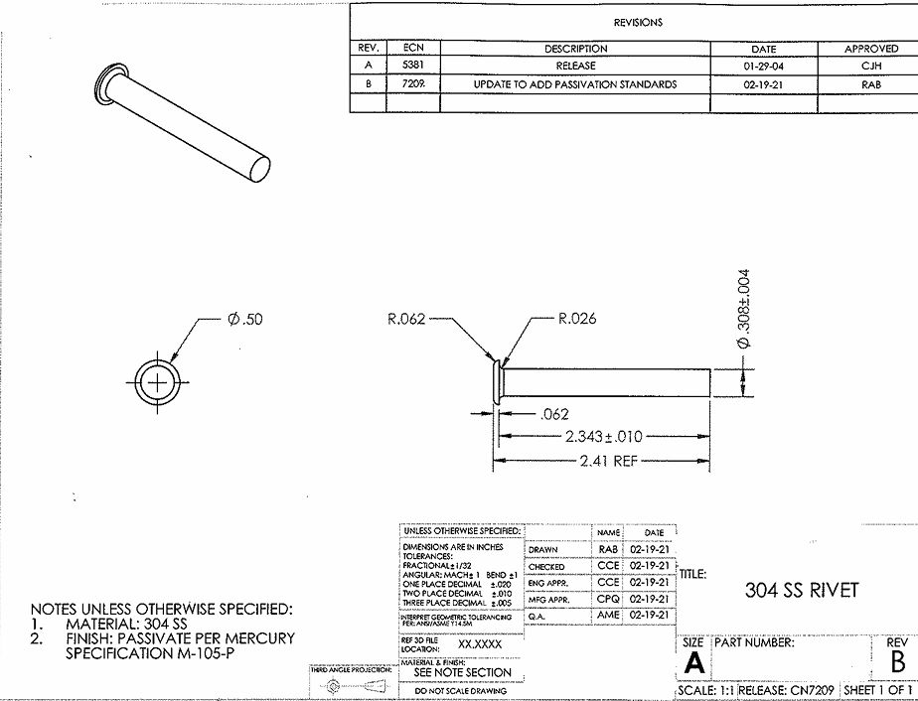

C
B

A
D

old batch
Part No. | A | B | C | D | A | Height from plate to top
1 | 2.3425 | 0.3075 | 0.4865 | 0.067 | B | diameter of tube
2 | 2.3445 | 0.307 | 0.4935 | 0.066 | C | diameter of plate
3 | 2.346 | 0.307 | 0.4905 | 0.066 | D | thickness of plate
4 | 2.335 | 0.3075 | 0.4855 | 0.067

C
B

A
D

